Intro
Topics for LP modelling in the week of 5 October
The lectures for this week will be spent on developing the skills to model and solve specific Linear Programming (LP) applications.
On the menu for this week is Render and Stair Sections 8.1 to 8.6. Section 8.1 and 8.6 are left for self-study and students will not be examined on material from these two sections. Selected topics from 8.2-8-5 will be discussed and demonstrated in class according to the table below.
The numbering of the Exercises in the table may appear incorrect - as they are from other chapters than Chapter 8 - ignore the fact that they are from other chapters, they are indeed topical and they were chosen for their "digestibility".
The degree of difficulty of problems in the assessments will be the same as that of the problems covered in class, exercise problems for tuts and those problems discussed and described in Sections 8.2 - 8.5 on the particular topics. The degree of difficulty of the assessments will not as difficult as those shown in the "Advanced problems" column. Students are welcome to attempt them and consult me on the solution methods of the latter - but may rest assured such questions will not form part of the A2 or A3 Assessments.
The different sections will be treated in the sequence shown in the table from top to bottom.

Section | Problem type | Exercise problems in class | Additional examples to work through on your own | Exercise problems for tuts | Advanced problems (not for exam)
8.2 | Production mix | Surfboards from tut | 'Fifth Avenue Industries (production mix example in 8.2) |  | 8-15
8.5 | Ingredient blending problems / Diet problems | 7-39, 7-44 |  | 7-39's sensitivity analysis questions (see SUNLearn), 8-12 | 8-20.
8.4 | Portfolio selection / Truck loading | Examples in 8.4 (portfolion selection, truck loading) |  | 8-2
8.2 | Production scheduling | 8-5 | Greenberg Motors (8.2 in textbook) | 7-41,7-42. | 8-8
8.3 | Employee scheduling | '8-3 |  | Hong Kong Bank (example in 8.3) | 8-14

8-5
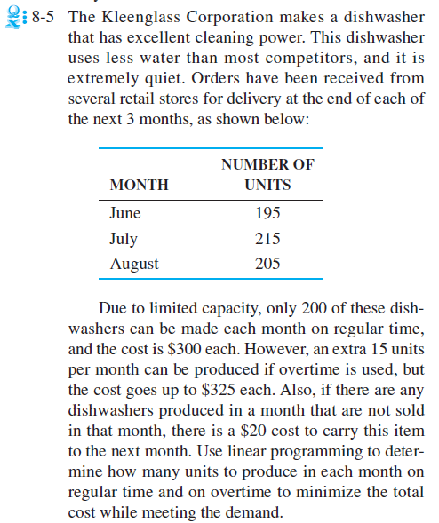
8-5 Kleenglass dishwashers
see Production scheduling example in 8.2.

Orders over next 3 months
Month | Units
June | 195
July | 215
August | 205

only 200 can be produced during RT @ $300 each
extra 15 per month can be produced during OT @ $325 each
carrying cost is $20 per washer to carry to next month

objective? Minimise total cost (where total cost = production cost (RT + OT) + carrying cost)
DV's?
units produced during RT in Jun, Jul, Aug - RT1, RT2, RT3
units produced during OT in Jun, Jul, Aug - OT1, OT2, OT3
units end inventory during each month - E1, E2, E3

Constraints?
RT production capacity (<=200)
OT production capacity (<=15)
Inventory constraints: |  | inv end last month + prod this month - sales this month = inv end of this month
 |  | inv end last month + prod this month - inv end of this month = sales this month
For June |  | 0 + 1*RT1 + 1*OT1 - E1 = 195
For July |  | E1 + RT2 + OT2 - E2 = 215
For Aug |  | E2 + RT2 + OT2 - E3 = 205

Variable | RT1 | RT2 | RT3 | OT1 | OT2 | OT3 | E1 | E2 | E3
units | 200 | 200 | 200 | 0 | 10 | 5 | 5 | 0 | 0
min cost | 300 | 300 | 300 | 325 | 325 | 325 | 20 | 20 | 20 | 184975

constraints |  |  |  |  |  |  |  |  |  | LHS |  | RHS
For June | 1 |  |  | 1 |  |  | -1 |  |  | 195 | = | 195
For July |  | 1 |  |  | 1 |  | 1 | -1 |  | 215 | = | 215
For Aug |  |  | 1 |  |  | 1 |  | 1 | -1 | 205 | = | 205
RT June | 1 |  |  |  |  |  |  |  |  | 200 | <= | 200
OT June |  |  |  | 1 |  |  |  |  |  | 0 | <= | 15
RT July |  | 1 |  |  |  |  |  |  |  | 200 | <= | 200
OT July |  |  |  |  | 1 |  |  |  |  | 10 | <= | 15
RT Aug |  |  | 1 |  |  |  |  |  |  | 200 | <= | 200
OT Aug |  |  |  |  |  | 1 |  |  |  | 5 | <= | 15

